Case Study Overview
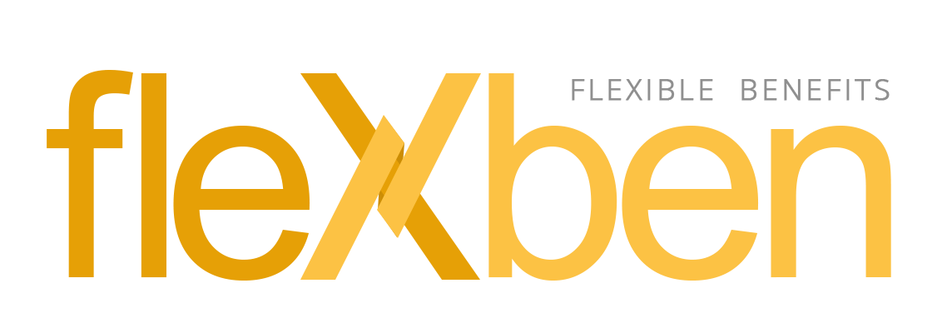

 | Case Study Criteria: |  | Weight
 |  | Functional | 60
 |  | Maintainability/Readability | 10
 |  | Validation | 10
 |  | Optimization | 5
 |  | Coding Standards/Sonar | 5
 |  | Unit Tests | 5
FlexBen or Flexible Benefits allow employees to choose the benefits they want or need from a package of programs offered by an employer. |  | Soft Skills (Presentation and Reasoning) | 5

The goal of this project is to develop a tool that will efficiently and effectively manage the flexible benefit programs according to the processes of the organization. | Upload to GDrive and submit to
 | francis.caritativo@pointwest.com.ph

 | Deadline: October 13, 2022 (EOS)

state diagram
New
Submitted
Draft
Rejected
Approved
Paid Out

process flow
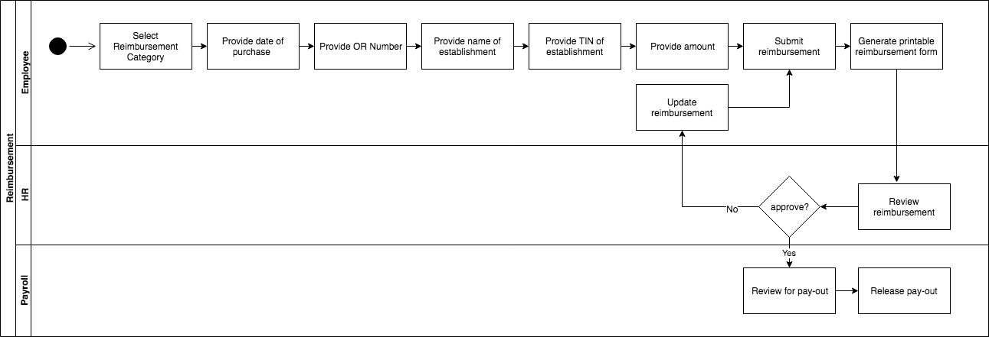

use case diagram
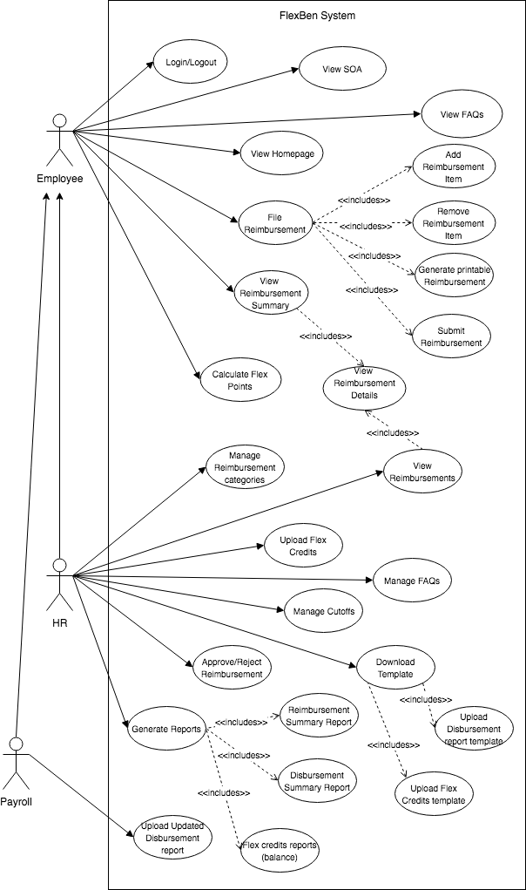

context diagram
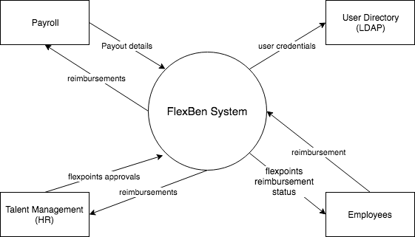

erd
